Battery PCB wiring diagram
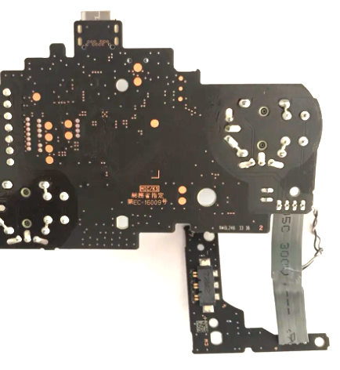
Use orientation shown below for assembly guidelines

LED Placement
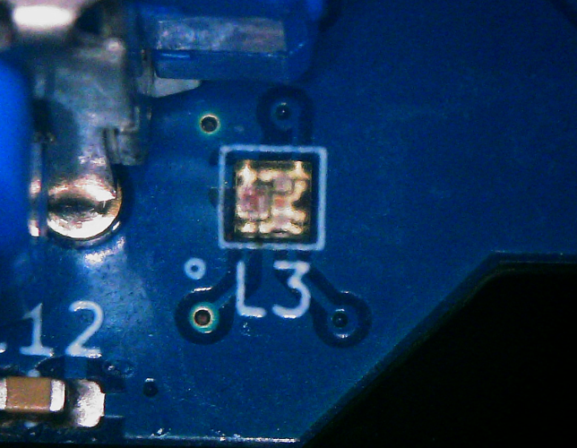
SK6805-EC-15

